Git
Command Line | Description | Example | Link
CONFIGURE
git config | config username | git config --global user.name "Matt Lee"
git config | config email | git config --global user.email "mjlee177@gmail.com"
git config | setup text editor as VS Code | git config --global core.editor "code --wait"
git config | setup text editor as nano (not used) | git config --global core.editor "nano -w"
git config | show basic configuration settings | git config --list
git init | create new repository (in current folder) | git init
install ssh | install ssh to git from local computer | ssh-keygen -t ed25519 -C "your_email@example.com" | https://docs.github.com/en/authentication/connecting-to-github-with-ssh/generating-a-new-ssh-key-and-adding-it-to-the-ssh-agent

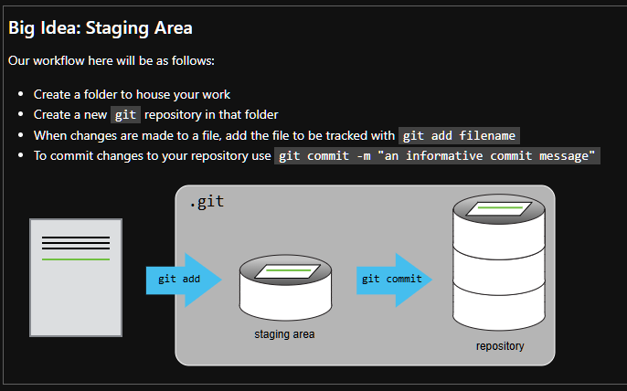
COMMANDS
pwd | see where you currently are located
ls | seethe files and folders available
ls -F | differentiate between files and folders
cd | change directory
mkdir | make new directory
touch | create new file
rm | remove file
code | edit file | code manmachine.txt
cat | examine contents | cat manmachine.txt
git status | show changes to files | git status
git add | add file to be tracked | git add manmachine.txt
git comit | save changes with comment | git commit -m "Started info on manmachine"
git diff | displays changes between the working directory and the staging area by default | git diff
 | save a record of changes | git add manmachine.txt git commit -m "Added info on THE ROBOTS lyrics"
git log | recent history of changes | git log
git diff HEAD | HEAD refers to the latest commit on the current branch you are on | git diff HEAD~1 manmachine.txt HEAD~1 or HEAD^: One commit behind HEAD HEAD~2: Two commits behind HEAD
git show |  | git show HEAD~2 manmachine.txt
git checkout | Switch branches or restore working tree files |  | https://git-scm.com/docs/git-checkout
git remote |  | git remote add origin https://github.com/mjlee177/kraftwerk.git
git branch |  | git branch -M main
git push |  | git push -u origin main | https://git-scm.com/docs/git-push
git remote/ branch/ push | connect local repo to online repo | git remote add origin https://github.com/jfkoehler/kraftwerk.git git branch -M main git push -u origin main

